Sheet1
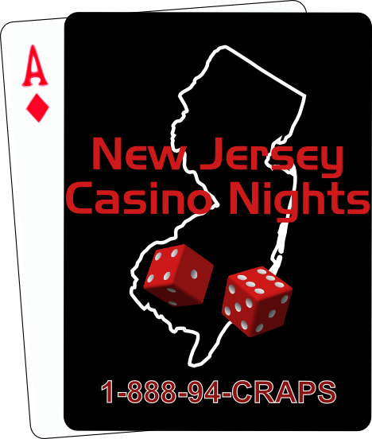
 | NJ Casino Night Potential Income Worksheet

 | Income |  | Expenses

 | Tickets Sold | 100 | Cost of Food
 | Ticket Price | $60.00 | Price Per Person | $20.00
 | Ticket Income | $6,000.00 | Total Catering Cost | $2,000.00

 | Tables Sponsored | 10 | Cost of Liquor
 | Sponsor Amount | $300.00 | Price Per Person | $0.00
 | Sponsor Income | $3,000.00 | Total Liquor Cost | $0.00

 | Re-Ups Sold | 100 | Cost of Hall/Venue | $250.00
1-888-942-7277 | Re-Up Price | $20.00
www.njcasinonights.com | Total Re-up | $2,000.00 | Cost of Licenses | $200.00
info@njcasinonights.com
 | 50/50 Tickets | 0 | Cost of Casino Equipment | $3,000.00
 | Price Per Tickets | $0.00 | Cost of Prizes | $500.00
 | Total 50/50 Profit | $0.00
 |  |  | Cost of Advertising | $250.00
 | Non Gambling Tickets | 20 | Cost of Printer | $100.00
 | Price Per Ticket | $25.00 | Cost of Decorations | $100.00
 | Total Non Gambling | $500.00 | Other Expenses | $50.00

 | Other Donations | $0.00

 | Total Potential Income | $11,500.00 | Total Expenses | $6,450.00

 |  | Total Income | $5,050.00

